Sheet1
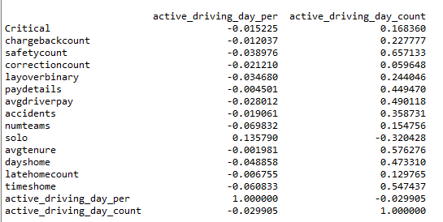
Gender Split
 | no significant difference

Married Status
 | single people are more likely to leave

Ethnicity

 |  |  | count

 |  |  | percentage

 |  |  | Those who are Black or Hispanic are more likely to leave than if White

Dependents and Marital Status

You are more likely to leave if you are single, and the most likely if you are single with more than 1 child.

If you are single you utilize less of your available HOS |  | more days at home
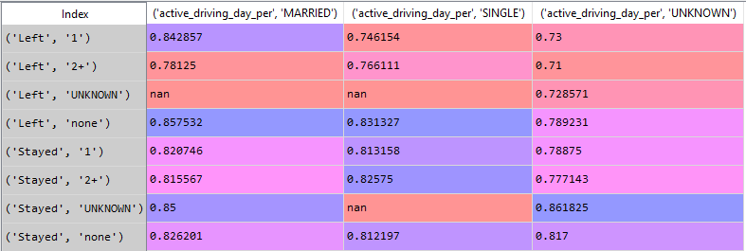
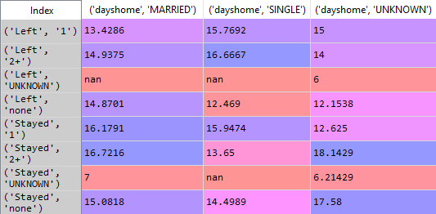

less active driving days
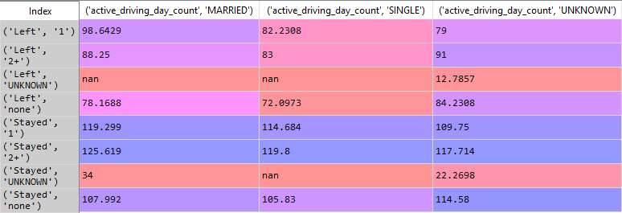

Stayed vs. Left Metrics
Stayed

Left

Correlation

